Introduction

Habitat Condition Assessment Tool

This Condition Assessment Tool has been developed by Orbit in partnership with the Wildlife Trusts. The tool allows the user to 'score' habitats based on the definitions created for each habitat type and target areas for improved habitat to benefit nature.

The tool is designed to be used with a GIS or mapping data that maps the 'green' areas of estates by m2. Using a GIS Programme will allow the user to assign 'codes' to areas to populate the tool (G1, G2, G3 etc for areas of grassland. T1, T2.. etc for trees. The tool has 11 habitat types on the tabs below, areas measured of each habitat should be numbered and then inserted into the baseline section for each habitat. This will then populate the Estate Summary tab with a score of what percentage of the total area of the green space meets the criteria of 'good' or 'excellent' to support nature.

Any areas targetted for improvements (eg creating wildflower meadows on poor grass or planting trees) should be inserted into the 'post-improvement' section on each tab. This will then alter the percentage of the green space contributing to nature should the improvements be sufficient to meet the 'good' or 'excellent' scoring.

 | Process
 | 1: Add the m2 of grassland area/shrubs/hedges into the 'Area of XXX (m2)' cell.
 | 2: Baseline the area based on condition assessment, eg poor-excellent. This will then populate the baseline assessment score.
 | 3: When targetting an area for improvement, assign a new GIS Location to the area (for example, 250m2 of grassland improvements inside G1 could be come G3)
 | 4: Add this new location onto the tool with the m2 but reduce the original location (G1) by however much you are improving as below.
 | 5: The estate summary should then produce a baseline percentage and a post enhancement works percentage.

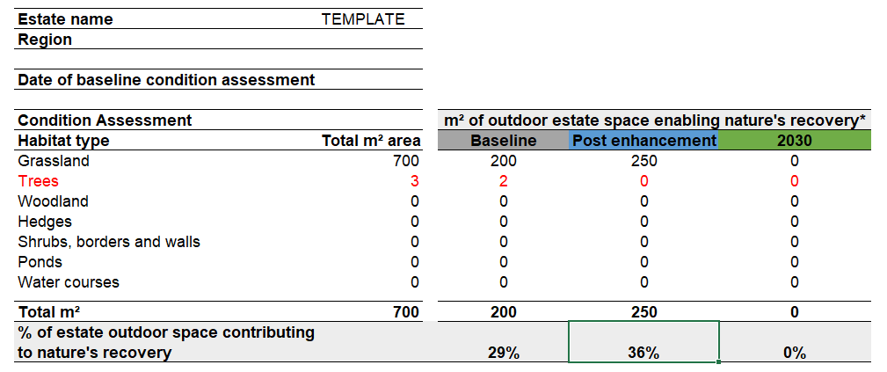

Please contact us via email on environment@orbit.org.uk or contact Jo Crouch (Environmental Sustainability Manager) joanna.crouch@orbit.org.uk should you have any issues using the tool or want help completing/updating the tool. NB: This tool is still being developed, the habitat definitions may need adapting in future or improvements may need to be made to the way the tool operates. We welcome any thoughts and feedback.

Version Control |  | Last Updated | 2023-11-23 |  | Updates
 | V1.0 | 2021 |  | JM-Orbit IJ WWT | Tool created

 | V2.0 | 2023-11-22 |  | JC-Orbit IJ-WWT | Grassland definitions updated, habitats added (Woodland Understory, Scrub, Waterbodies, Orchards), shrubs placed wit hedges and flower beds, borders and allotments moved into separate category. Group-wide targets for each habitat type removed.

